Outranking Graph Result
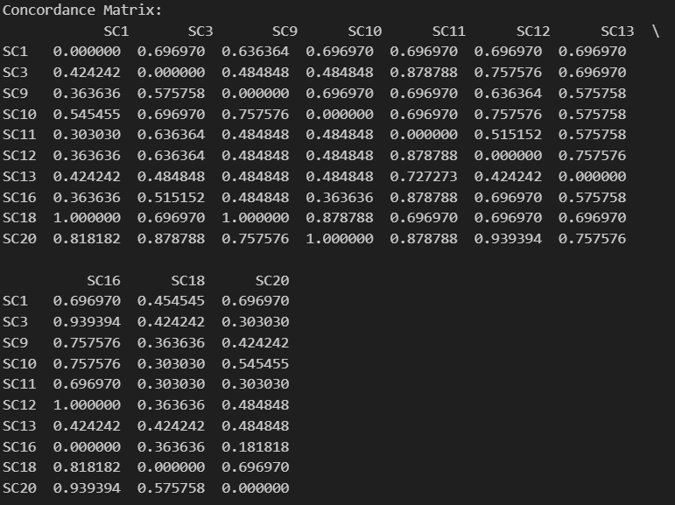
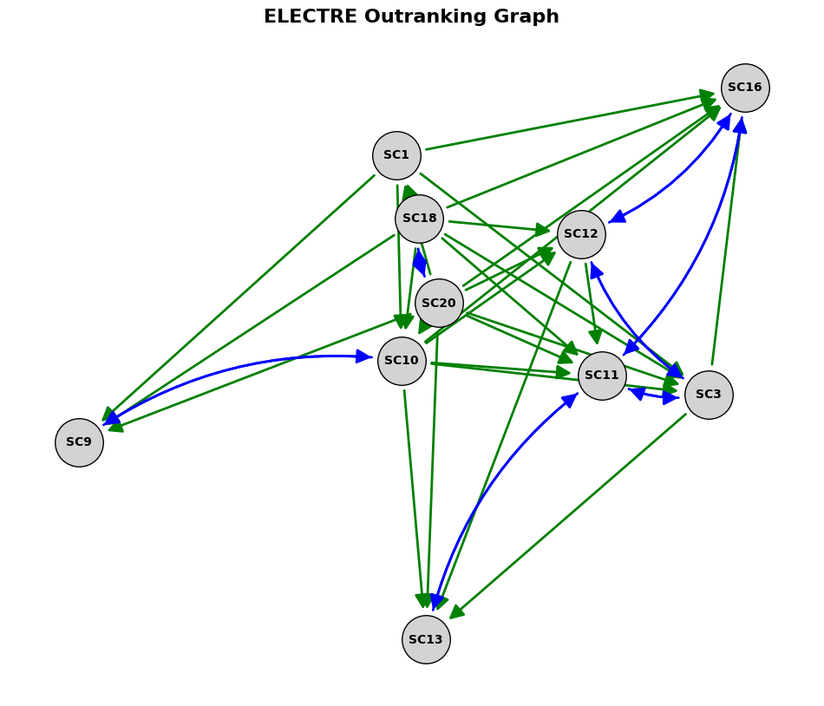
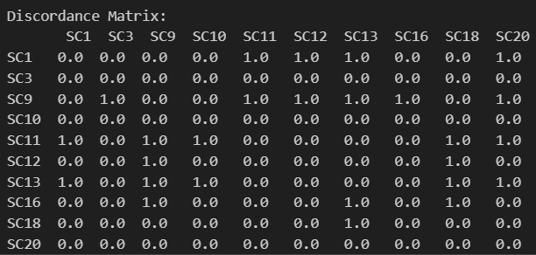
Concordance And Discordance Matrix derived by running the python file ELECTRE_analysis and extracting the Electre csv and Ranking csv. We did not realize that the assignment required full excel calculation works, and used python for this case since it was easier to automate the outranking graph process. Allowing us to change the treshold t_i amount to see how the outranking graph would change. Thus for evaluation purposes the concordance and discordance matrix is copy pasted onto the excel sheet

MCDA - Environment
 | C3 | Ecosystem and Biodiversity Loss |  |  |  |  |  |  |  |  |  |  |  |  | SC10 is rated worst (0) because it has by far the largest amount of new infrastructure, especially roads, implying the highest land-take and fragmentation. SC20 is best (100) because it focuses on upgrades in existing corridors. SC1 and SC18 sit in between: SC1 has significant new tunnel and construction footprint, while SC18 has moderate new works and upgrades.
 | C4 | Non-renewable dependence - (construction + operational) |  |  |  |  |  |  |  |  |  | C3 | Scenario | Eco-system & Biodiversity Score (higher=better)
 |  |  |  |  |  |  |  |  |  |  |  |  | SC1 | 30
 |  | Alternatives |  |  |  |  |  |  |  |  |  |  | SC10 | 0
 | S01 | Munich - Verona |  |  |  |  |  |  |  |  |  |  | SC18 | 60
 | S10 | Hungary - Romania + Bulgary - Greece |  |  |  |  |  |  |  |  |  |  | SC20 | 100
 | S18 | Fehmarn Belt (incl. upgrades)
 | S20 | Upgrades in Cologne
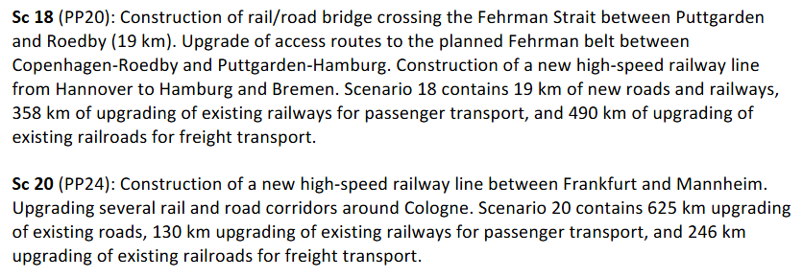
 |  |  |  |  |  |  |  |  |  |  |  | C4 | Scenario | Non-renewable Dependence Score | SC1 is best (100) because it is almost entirely rail-oriented, supporting a shift away from oil-dependent road transport. SC10 is worst (0) as it massively expands the road network, reinforcing oil dependence. SC18 mixes new road and new rail but leans more than SC20 toward improving rail, so it gets a higher score than SC20, which mainly upgrades roads.
 |  |  |  |  |  |  |  |  |  |  |  |  | SC1 | 100
 |  |  |  |  |  |  |  |  |  |  |  |  | SC10 | 0
 |  |  |  |  |  |  |  |  |  |  |  |  | SC18 | 70
 |  |  |  |  |  |  |  |  |  |  |  |  | SC20 | 30

 |  |  |  |  |  |  |  |  |  |  |  |  | AHP |  |  |  |  | REMBRANDT
 |  |  |  |  |  |  |  |  |  |  |  |  | C3 |  |  |  |  | C3
 |  |  |  |  |  |  |  |  |  |  |  |  |  | SC1 | SC10 | SC18 | SC20 |  | SC1 | SC10 | SC18 | SC20
 |  |  |  |  |  |  |  |  |  |  |  |  | SC1 | 1.00 | 3.00 | 0.33 | 0.20 | SC1 | 0 | 2 | -4 | -6
AHP |  |  |  |  |  |  | REMBRANDT |  |  |  |  |  | SC10 | 0.33 | 1.00 | 0.20 | 0.11 | SC10 | -2 | 0 | -6 | -8
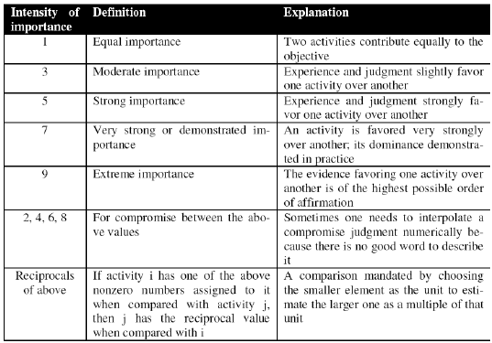
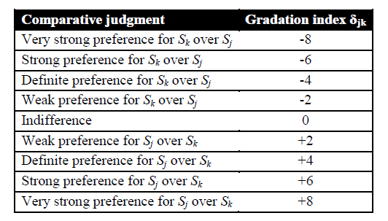
 |  |  |  |  |  |  |  |  |  |  |  |  | SC18 | 3.00 | 5.00 | 1.00 | 0.33 | SC18 | 4 | 6 | 0 | -4
 |  |  |  |  |  |  |  |  |  |  |  |  | SC20 | 5.00 | 9.00 | 3.00 | 1.00 | SC20 | 6 | 8 | 4 | 0

 |  |  |  |  |  |  |  |  |  |  |  |  | C4 |  |  |  |  | C4
 |  |  |  |  |  |  |  |  |  |  |  |  |  | SC1 | SC10 | SC18 | SC20 |  | SC1 | SC10 | SC18 | SC20
 |  |  |  |  |  |  |  |  |  |  |  |  | SC1 | 1.00 | 9.00 | 3.00 | 7.00 | SC1 | 0 | 6 | 4 | 4
 |  |  |  |  |  |  |  |  |  |  |  |  | SC10 | 0.11 | 1.00 | 0.14 | 0.33 | SC10 | -6 | 0 | -4 | -2
 |  |  |  |  |  |  |  |  |  |  |  |  | SC18 | 0.33 | 7.00 | 1.00 | 5.00 | SC18 | -4 | 4 | 0 | 2
 |  |  |  |  |  |  |  |  |  |  |  |  | SC20 | 0.14 | 3.00 | 0.20 | 1.00 | SC20 | -4 | 2 | -2 | 0

 | 1. Ecosystem/Biodiversity Impact (from weakest → strongest impact) |  |  |  |  |  |  |  | based on reports from the relevant countries on individual parts of the larger scenarios
 | Least impact
 | → Sc 20 (urban, avoids Natura 2000 sites)
 | → Sc 10 (fragmented, small Natura 2000 % impacts)
 | → Sc 1 (Alpine ecosystem risk, groundwater, habitat fragmentation)
 | → Sc 18 (largest quantified marine impacts + dredging + sensitive species)
 | Most impact
 | 2. Fossil-Fuel Dependency (from best → worst) |  |  |  |  | taken into account: modal shift, energy mix, traffic growth
 | Most reduction in fossil-fuel dependence
 | → Sc 1 (strong road→rail shift)
 | → Sc 20 (freight-reliability → diesel reduction)
 | → Sc 10 (moderate modal shift potential)
 | → Sc 18 (big road-traffic growth risk → diesel increase)
 | Least reduction / possible increase

 | AHP |  |  |  |  |  | Rembrandt

 | C3 |  |  |  |  |  | C3
 |  | SC1 | SC10 | SC18 | SC20 |  |  | SC1 | SC10 | SC18 | SC20
 | SC1 | 1.00 | 3.00 | 0.20 | 4.00 |  | SC1 | 0 | 4 | -4 | 4
 | SC10 | 0.33 | 1.00 | 0.14 | 2.00 |  | SC10 | -4 | 0 | -6 | 2
 | SC18 | 5.00 | 7.00 | 1.00 | 9.00 |  | SC18 | 4 | 6 | 0 | 6
 | SC20 | 0.25 | 0.50 | 0.11 | 1.00 |  | SC20 | -4 | -2 | -6 | 0
 | sum | 6.58 | 11.50 | 1.45 | 16.00

 | C4 |  |  |  |  |  | C4
 |  | SC1 | SC10 | SC18 | SC20 |  |  | SC1 | SC10 | SC18 | SC20
 | SC1 | 1.00 | 4.00 | 7.00 | 5.00 |  | SC1 | 0 | 4 | 6 | 4
 | SC10 | 0.25 | 1.00 | 3.00 | 0.33 |  | SC10 | -4 | 0 | 2 | -4
 | SC18 | 0.14 | 0.33 | 1.00 | 0.20 |  | SC18 | -6 | -2 | 0 | -4
 | SC20 | 0.20 | 3.00 | 5.00 | 1.00 |  | SC20 | -4 | 4 | 4 | 0
 | sum | 1.59 | 8.33 | 16.00 | 6.53

MCDA - REMBRANDT
CRITERIA
 | REMBRANDT

 | Social |  |  |  |  |  |  |  |  |  |  | Environmental |  |  |  |  |  |  |  |  |  | C1 | Economic

C5 | Labour market and sociographic job distribution |  |  |  |  |  |  |  |  |  | C3 | Ecosystem and biodiversity loss |  |  |  |  |  |  |  |  |  |  | Integration of European transport |  |  |  |  |  |  |  |  |  | Criterias - Sensitivity Analysis |  |  |  |  |  |  |  |  |  |  |  |  |  |  |  |  |  | Geometric Mean Scores
 |  |  |  |  |  |  |  |  |  |  |  |  |  |  |  |  |  |  |  |  |  |  |  |  |  |  |  |  |  |  |  |  |  |  |  |  |  |  |  |  |  |  |  |  |  |  |  | Criteria |  | Weights | SC1 | SC10 | SC18 | SC20
 |  |  |  |  |  |  |  |  |  |  |  |  |  |  |  |  |  |  |  |  |  |  |  |  |  |  |  |  |  |  |  |  | Baseline |  |  |  |  |  |  |  |  |  |  |  |  |  |  | Economic | Integration of European transport | 0.45886376704 | 0.70710678119 | 0.0625 | 2.8284271247 | 8
1. Economic
2 Environmental
3. Social
 |  | SC1 | SC10 | SC18 | SC20 |  |  |  |  | Geo Mean |  |  | SC1 | SC10 | SC18 | SC20 |  |  |  |  | Geo Mean |  |  | SC1 | SC10 | SC18 | SC20 |  |  |  |  | Geo Mean |  | C1 | C2 | C3 | C4 | C5 | C6 |  |  |  |  |  |  | Geo Mean | Weights | Economic | Location of companies and logistic centers | 0.25752858192 | 0.5 | 0.022097086912 | 16 | 5.6568542495
 | SC1 | 0 | 4 | -4 | 6 | 1 | 16 | 0.0625 | 64 | 2.8284271247 |  | SC1 | 0.00 | 2.00 | -4.00 | -6.00 | 1 | 4 | 0.0625 | 0.015625 | 0.25 |  | SC1 | 0.00 | 4.00 | -2.00 | -4.00 | 1 | 16 | 0.25 | 0.0625 | 0.70710678119 | C1 | 0 | 2 | 4 | 6 | 6 | 6 | 1 | 2 | 4 | 8 | 8 | 8 | 4 | 0.45886376704 | Environmental | Ecosystem and biodiversity loss | 0.11471594176 | 0.25 | 0.0625 | 2.8284271247 | 22.627416998
 | SC10 | -4 | 0 | -2 | 6 | 0.0625 | 1 | 0.25 | 64 | 1.000 |  | SC10 | -2.00 | 0.00 | -6.00 | -8.00 | 0.25 | 1 | 0.015625 | 0.00390625 | 0.0625 |  | SC10 | -4.00 | 0.00 | -6.00 | -6.00 | 0.0625 | 1 | 0.015625 | 0.015625 | 0.0625 | C2 | -2 | 0 | 2 | 4 | 4 | 6 | 0.5 | 1 | 2 | 4 | 4 | 8 | 2.2449240966 | 0.25752858192 | Environmental | Non-renewable dependance | 0.072266514891 | 11.313708499 | 0.125 | 1.4142135624 | 0.5
 | SC18 | 4 | 2 | 0 | 6 | 16 | 4 | 1 | 64 | 8 |  | SC18 | 4.00 | 6.00 | 0.00 | -4.00 | 16 | 64 | 1 | 0.0625 | 2.8284271247 |  | SC18 | 2.00 | 6.00 | 0.00 | -2.00 | 4 | 64 | 1 | 0.25 | 2.8284271247 | C3 | -4 | -2 | 0 | 2 | 2 | 2 | 0.25 | 0.5 | 1 | 2 | 2 | 2 | 1 | 0.11471594176 | Social | Labour market and sociographic job distribution | 0.051100142732 | 2.8284271247 | 1 | 8 | 0.044194173824
Integration of European transport Market
Ecosystem and Biodiversity Loss
Labour market and sociographic job distribution
 | SC20 | -6 | -6 | -6 | 0 | 0.015625 | 0.015625 | 0.015625 | 1 | 0.044194173824 |  | SC20 | 6.00 | 8.00 | 4.00 | 0.00 | 64 | 256 | 16 | 1 | 22.627416998 |  | SC20 | 4.00 | 6.00 | 2.00 | 0.00 | 16 | 64 | 4 | 1 | 8 | C4 | -6 | -4 | -2 | 0 | 2 | 2 | 0.125 | 0.25 | 0.5 | 1 | 2 | 2 | 0.62996052495 | 0.072266514891 | Social | Territorial cohesion | 0.045525051657 | 8 | 4 | 0.70710678119 | 0.044194173824
 |  |  |  |  |  |  |  |  |  |  |  |  |  |  |  |  |  |  |  |  |  |  |  |  |  |  |  |  |  |  |  |  | C5 | -6 | -4 | -2 | -2 | 0 | 0 | 0.125 | 0.25 | 0.5 | 0.5 | 1 | 1 | 0.44544935907 | 0.051100142732 |  |  | REMBRANDT Score | 1.8082446845 | 0.28377302698 | 6.2859782174 | 7.7638407679
 |  |  |  |  |  |  |  |  |  |  |  |  |  |  |  |  |  |  |  |  |  |  |  |  |  |  |  |  |  |  |  |  | C6 | -6 | -6 | -2 | -2 | 0 | 0 | 0.125 | 0.125 | 0.5 | 0.5 | 1 | 1 | 0.39685026299 | 0.045525051657 |  |  | Normalized | 11.202223876 | 1.7579971369 | 38.942149741 | 48.097629246
Location of Companies and logistic centers
Non-renewable dependence - (construction + operational)
Territorial cohesion
 |  |  |  |  |  |  |  |  |  |  |  |  |  |  |  |  |  |  |  |  |  |  |  |  |  |  |  |  |  |  |  |  |  |  |  |  |  |  |  |  |  |  |  |  |  |  | 1
 |  |  |  |  |  |  |  |  |  |  |  |  |  |  |  |  |  |  |  |  |  |  |  |  |  |  |  |  |  |  |  |  |  |  |  |  |  |  |  |  |  |  |  |  |  |  |  |  |  |  | Geometric Mean Scores
 |  |  |  |  |  |  |  |  |  |  |  |  |  |  |  |  |  |  |  |  |  |  |  |  |  |  |  |  |  |  |  |  | Enviromentalist |  |  |  |  |  |  |  |  |  |  |  |  |  |  | Criteria |  | Weights | SC1 | SC10 | SC18 | SC20
 |  |  |  |  |  |  |  |  |  |  |  |  |  |  |  |  |  |  |  |  |  |  |  |  |  |  |  |  |  |  |  |  |  | C1 | C2 | C3 | C4 | C5 | C6 |  |  |  |  |  |  | Geo Mean | Weights | Economic | Integration of European transport | 0.080768121381 | 0.70710678119 | 0.0625 | 2.8284271247 | 8
 |  |  |  |  |  |  |  |  |  |  |  |  |  |  |  |  |  |  |  |  |  |  |  |  |  |  |  |  |  |  |  |  | C1 | 0 | 2 | -4 | -4 | 0 | -2 | 1 | 2 | 0.25 | 0.25 | 1 | 0.5 | 0.62996052495 | 0.080768121381 | Economic | Location of companies and logistic centers | 0.050880728144 | 0.5 | 0.022097086912 | 16 | 5.6568542495
 |  |  |  |  |  |  |  |  |  |  |  |  |  |  |  |  |  |  |  |  |  |  |  |  |  |  |  |  |  |  |  |  | C2 | -2 | 0 | -6 | -6 | 0 | -2 | 0.5 | 1 | 0.125 | 0.125 | 1 | 0.5 | 0.39685026299 | 0.050880728144 | Environmental | Ecosystem and biodiversity loss | 0.40704582515 | 0.25 | 0.0625 | 2.8284271247 | 22.627416998
 |  |  |  |  |  |  |  |  |  |  |  |  |  |  |  |  |  |  |  |  |  |  |  |  |  |  |  |  |  |  |  |  | C3 | 4 | 6 | 0 | 2 | 4 | 4 | 4 | 8 | 1 | 2 | 4 | 4 | 3.1748021039 | 0.40704582515 | Environmental | Non-renewable dependance | 0.25642280169 | 11.313708499 | 0.125 | 1.4142135624 | 0.5
 |  |  |  |  |  |  |  |  |  |  |  |  |  |  |  |  |  |  |  |  |  |  |  |  |  |  |  |  |  |  |  |  | C4 | 4 | 6 | -2 | 0 | 2 | 2 | 4 | 8 | 0.5 | 1 | 2 | 2 | 2 | 0.25642280169 | Social | Labour market and sociographic job distribution | 0.090659150964 | 2.8284271247 | 1 | 8 | 0.044194173824
C6 | Territorial cohesion |  |  |  |  |  |  |  |  |  | C4 | Non-renewable dependance |  |  |  |  |  |  |  |  |  | C2 | Location of companies and logistic centers |  |  |  |  |  |  |  |  |  | C5 | 0 | 0 | -4 | -2 | 0 | 0 | 1 | 1 | 0.25 | 0.5 | 1 | 1 | 0.70710678119 | 0.090659150964 | Social | Territorial cohesion | 0.11422337266 | 8 | 4 | 0.70710678119 | 0.044194173824
 |  |  |  |  |  |  |  |  |  |  |  |  |  |  |  |  |  |  |  |  |  |  |  |  |  |  |  |  |  |  |  |  | C6 | 2 | 2 | -4 | -2 | 0 | 0 | 2 | 2 | 0.25 | 0.5 | 1 | 1 | 0.89089871814 | 0.11422337266 |  |  | REMBRANDT Score | 4.2556161205 | 0.61121817936 | 3.3625157815 | 10.281631472
 |  |  |  |  |  |  |  |  |  |  |  |  |  |  |  |  |  |  |  |  |  |  |  |  |  |  |  |  |  |  |  |  |  |  |  |  |  |  |  |  |  |  |  |  |  |  | 1 |  |  | Normalized | 22.989683763 | 3.301922038 | 18.164978296 | 55.543415904
 |  | SC1 | SC10 | SC18 | SC20 |  |  |  |  | Geo Mean |  |  | SC1 | SC10 | SC18 | SC20 |  |  |  |  | Geo Mean |  |  | SC1 | SC10 | SC18 | SC20 |  |  |  |  | Geo Mean
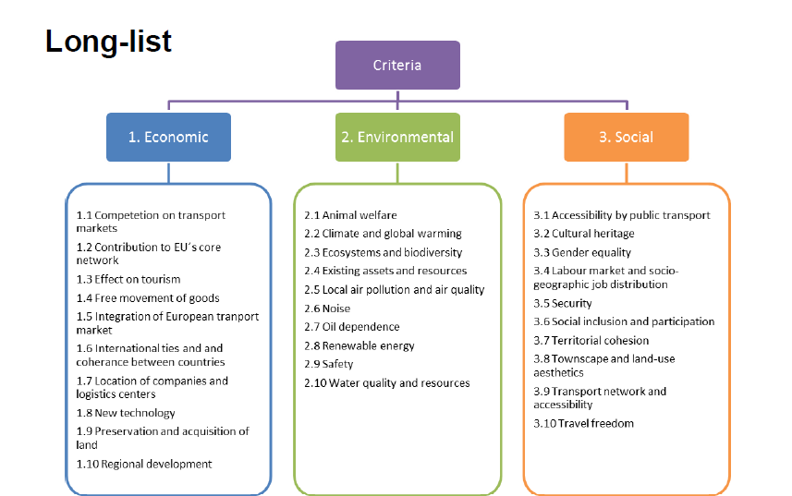
 | SC1 | 0 | 2 | 4 | 6 | 1 | 4 | 16 | 64 | 8 |  | SC1 | 0.00 | 6.00 | 4.00 | 4.00 | 1 | 64 | 16 | 16 | 11.313708499 |  | SC1 | 0.00 | 6.00 | -6.00 | -4.00 | 1 | 64 | 0.015625 | 0.0625 | 0.5 | Workforce |  |  |  |  |  |  |  |  |  |  |  |  |  |  |  |  |  | Geometric Mean Scores
 | SC10 | -2 | 0 | 4 | 6 | 0.25 | 1 | 16 | 64 | 4 |  | SC10 | -6.00 | 0.00 | -4.00 | -2.00 | 0.015625 | 1 | 0.0625 | 0.25 | 0.125 |  | SC10 | -6.00 | 0.00 | -8.00 | -8.00 | 0.015625 | 1 | 0.00390625 | 0.00390625 | 0.022097086912 |  | C1 | C2 | C3 | C4 | C5 | C6 |  |  |  |  |  |  | Geo Mean | Weights | Criteria |  | Weights | SC1 | SC10 | SC18 | SC20
 | SC18 | -4 | -4 | 0 | 6 | 0.0625 | 0.0625 | 1 | 64 | 0.70710678119 |  | SC18 | -4.00 | 4.00 | 0.00 | 2.00 | 0.0625 | 16 | 1 | 4 | 1.4142135624 |  | SC18 | 6.00 | 8.00 | 0.00 | 2.00 | 64 | 256 | 1 | 4 | 16 | C1 | 0 | -2 | 2 | 2 | -4 | 2 | 1 | 0.5 | 2 | 2 | 0.25 | 2 | 1 | 0.14707281752 | Economic | Integration of European transport | 0.14707281752 | 0.70710678119 | 0.0625 | 2.8284271247 | 8
 | SC20 | -6 | -6 | -6 | 0 | 0.015625 | 0.015625 | 0.015625 | 1 | 0.044194173824 |  | SC20 | -4.00 | 2.00 | -2.00 | 0.00 | 0.0625 | 4 | 0.25 | 1 | 0.5 |  | SC20 | 4.00 | 8.00 | -2.00 | 0.00 | 16 | 256 | 0.25 | 1 | 5.6568542495 | C2 | 2 | 0 | 4 | 2 | -2 | 2 | 2 | 1 | 4 | 2 | 0.5 | 2 | 1.587401052 | 0.23346354524 | Economic | Location of companies and logistic centers | 0.23346354524 | 0.5 | 0.022097086912 | 16 | 5.6568542495
 |  |  |  |  |  |  |  |  |  |  |  |  |  |  |  |  |  |  |  |  |  |  |  |  |  |  |  |  |  |  |  |  | C3 | -2 | -4 | 0 | 0 | -2 | 0 | 0.5 | 0.25 | 1 | 1 | 0.5 | 1 | 0.62996052495 | 0.092650069327 | Environmental | Ecosystem and biodiversity loss | 0.092650069327 | 0.25 | 0.0625 | 2.8284271247 | 22.627416998
 |  |  |  |  |  |  |  |  |  |  |  |  |  |  |  |  |  |  |  |  |  |  |  |  |  |  |  |  |  |  |  |  | C4 | -2 | -2 | 0 | 0 | -2 | 0 | 0.5 | 0.5 | 1 | 1 | 0.5 | 1 | 0.70710678119 | 0.10399618659 | Environmental | Non-renewable dependance | 0.10399618659 | 11.313708499 | 0.125 | 1.4142135624 | 0.5
 |  |  |  |  |  |  |  |  |  |  |  |  |  |  |  |  |  |  |  |  |  |  |  |  |  |  |  |  |  |  |  |  | C5 | 4 | 2 | 2 | 2 | 0 | 4 | 4 | 2 | 2 | 2 | 1 | 4 | 2.2449240966 | 0.330167312 | Social | Labour market and sociographic job distribution | 0.330167312 | 2.8284271247 | 1 | 8 | 0.044194173824
 |  |  |  |  |  |  |  |  |  |  |  |  |  |  |  |  |  |  |  |  |  |  |  |  |  |  |  |  |  |  |  |  | C6 | -2 | -2 | 0 | 0 | -4 | 0 | 0.5 | 0.5 | 1 | 1 | 0.25 | 1 | 0.62996052495 | 0.092650069327 | Social | Territorial cohesion | 0.092650069327 | 8 | 4 | 0.70710678119 | 0.044194173824
 |  |  |  |  |  |  |  |  |  |  |  |  |  |  |  |  |  |  |  |  |  |  |  |  |  |  |  |  |  |  |  |  |  |  |  |  |  |  |  |  |  |  |  |  |  |  | 1 |  |  | REMBRANDT Score | 3.0955277522 | 0.73390865731 | 7.2673802452 | 4.6643676998
 |  |  |  |  |  |  |  |  |  |  |  |  |  |  |  |  |  |  |  |  |  |  |  |  |  |  |  |  |  |  |  |  |  |  |  |  |  |  |  |  |  |  |  |  |  |  |  |  |  | Normalized | 19.640197606 | 4.6564308925 | 46.109353724 | 29.594017777
 |  |  |  |  |  |  |  |  |  |  |  |  |  |  |  |  |  |  |  |  |  |  |  |  |  |  |  |  |  |  |  |  | Corporations
 |  |  |  |  |  |  |  |  |  |  |  |  |  |  |  |  |  |  |  |  |  |  |  |  |  |  |  |  |  |  |  |  |  | C1 | C2 | C3 | C4 | C5 | C6 |  |  |  |  |  |  | Geo Mean | Weights |  |  |  | Geometric Mean Scores
 |  |  |  |  |  |  |  |  |  |  |  |  |  |  |  |  |  |  |  |  |  |  |  |  |  |  |  |  |  |  |  |  | C1 | 0 | -6 | 4 | 4 | -2 | 2 | 1 | 0.125 | 4 | 4 | 0.5 | 2 | 1.1224620483 | 0.15006547225 | Criteria |  | Weights | SC1 | SC10 | SC18 | SC20
 |  |  |  |  |  |  |  |  |  |  |  |  |  |  |  |  |  |  |  |  |  |  |  |  |  |  |  |  |  |  |  |  | C2 | 6 | 0 | 6 | 4 | 2 | 2 | 8 | 1 | 8 | 4 | 2 | 2 | 3.1748021039 | 0.42444925219 | Economic | Integration of European transport | 0.15006547225 | 0.70710678119 | 0.0625 | 2.8284271247 | 8
 |  |  |  |  |  |  |  |  |  |  |  |  |  |  |  |  |  |  |  |  |  |  |  |  |  |  |  |  |  |  |  |  | C3 | -4 | -6 | 0 | 0 | -2 | 0 | 0.25 | 0.125 | 1 | 1 | 0.5 | 1 | 0.5 | 0.06684656843 | Economic | Location of companies and logistic centers | 0.42444925219 | 0.5 | 0.022097086912 | 16 | 5.6568542495
 |  |  |  |  |  |  |  |  |  |  |  |  |  |  |  |  |  |  |  |  |  |  |  |  |  |  |  |  |  |  |  |  | C4 | -4 | -4 | 0 | 0 | -2 | 0 | 0.25 | 0.25 | 1 | 1 | 0.5 | 1 | 0.56123102415 | 0.075032736123 | Environmental | Ecosystem and biodiversity loss | 0.06684656843 | 0.25 | 0.0625 | 2.8284271247 | 22.627416998
 |  |  |  |  |  |  |  |  |  |  |  |  |  |  |  |  |  |  |  |  |  |  |  |  |  |  |  |  |  |  |  |  | C5 | 2 | -2 | 2 | 2 | 0 | 2 | 2 | 0.5 | 2 | 2 | 1 | 2 | 1.4142135624 | 0.18907064734 | Environmental | Non-renewable dependance | 0.075032736123 | 11.313708499 | 0.125 | 1.4142135624 | 0.5
 |  |  |  |  |  |  |  |  |  |  |  |  |  |  |  |  |  |  |  |  |  |  |  |  |  |  |  |  |  |  |  |  | C6 | -2 | -2 | 0 | 0 | -2 | 0 | 0.5 | 0.5 | 1 | 1 | 0.5 | 1 | 0.70710678119 | 0.094535323672 | Social | Labour market and sociographic job distribution | 0.18907064734 | 2.8284271247 | 1 | 8 | 0.044194173824
 |  |  |  |  |  |  |  |  |  |  |  |  |  |  |  |  |  |  |  |  |  |  |  |  |  |  |  |  |  |  |  |  |  |  |  |  |  |  |  |  |  |  |  |  |  |  | 1 | Social | Territorial cohesion | 0.094535323672 | 8 | 4 | 0.70710678119 | 0.044194173824
 |  |  |  |  |  |  |  |  |  |  |  |  |  |  |  |  |  |  |  |  |  |  |  |  |  |  |  |  |  |  |  |  |  |  |  |  |  |  |  |  |  |  |  |  |  |  |  |  |  | REMBRANDT Score | 2.4750022224 | 0.59952712861 | 9.0902319947 | 5.1641866123
 |  |  |  |  |  |  |  |  |  |  |  |  |  |  |  |  |  |  |  |  |  |  |  |  |  |  |  |  |  |  |  |  |  |  |  |  |  |  |  |  |  |  |  |  |  |  |  |  |  | Normalized | 14.282472476 | 3.4596856662 | 52.456917851 | 29.800924007

 |  |  |  |  |  |  |  |  |  |  |  |  |  |  |  |  |  |  |  |  |  |  |  |  |  |  |  |  |  |  |  |  |  |  |  |  |  |  |  |  |  |  | Weights
 |  |  |  |  |  |  |  |  |  |  |  |  |  |  |  |  |  |  |  |  |  |  |  |  |  |  |  |  |  |  |  |  |  |  |  |  |  |  |  |  |  | Criterias | Baseline | Environmentalist | Workforce | Corporations
 |  |  |  |  |  |  |  |  |  |  |  |  |  |  |  |  |  |  |  |  |  |  |  |  |  |  |  |  |  |  |  |  |  |  |  |  |  |  |  |  |  | C1 | 0.45886376704 | 0.080768121381 | 0.14707281752 | 0.15006547225
 |  |  |  |  |  |  |  |  |  |  |  |  |  |  |  |  |  |  |  |  |  |  |  |  |  |  |  |  |  |  |  |  |  |  |  |  |  |  |  |  |  | C2 | 0.25752858192 | 0.050880728144 | 0.23346354524 | 0.42444925219
 |  |  |  |  |  |  |  |  |  |  |  |  |  |  |  |  |  |  |  |  |  |  |  |  |  |  |  |  |  |  |  |  |  |  |  |  |  |  |  |  |  | C3 | 0.11471594176 | 0.40704582515 | 0.092650069327 | 0.06684656843
 |  |  |  |  |  |  |  |  |  |  |  |  |  |  |  |  |  |  |  |  |  |  |  |  |  |  |  |  |  |  |  |  |  |  |  |  |  |  |  |  |  | C4 | 0.072266514891 | 0.25642280169 | 0.10399618659 | 0.075032736123
 |  |  |  |  |  |  |  |  |  |  |  |  |  |  |  |  |  |  |  |  |  |  |  |  |  |  |  |  |  |  |  |  |  |  |  |  |  |  |  |  |  | C5 | 0.051100142732 | 0.090659150964 | 0.330167312 | 0.18907064734
 |  |  |  |  |  |  |  |  |  |  |  |  |  |  |  |  |  |  |  |  |  |  |  |  |  |  |  |  |  |  |  |  |  |  |  |  |  |  |  |  |  | C6 | 0.045525051657 | 0.11422337266 | 0.092650069327 | 0.094535323672
 |  |  |  |  |  |  |  |  |  |  |  |  |  |  |  |  |  |  |  |  |  |  |  |  |  |  |  |  |  |  |  |  |  |  |  |  |  |  |  |  |  |  | REMBRANDT Normalized Score
 |  |  |  |  |  |  |  |  |  |  |  |  |  |  |  |  |  |  |  |  |  |  |  |  |  |  |  |  |  |  |  |  |  |  |  |  |  |  |  |  |  | SC1 | 11.202223876 | 22.989683763 | 19.640197606 | 14.282472476
 |  |  |  |  |  |  |  |  |  |  |  |  |  |  |  |  |  |  |  |  |  |  |  |  |  |  |  |  |  |  |  |  |  |  |  |  |  |  |  |  |  | SC10 | 1.7579971369 | 3.301922038 | 4.6564308925 | 3.4596856662
 |  |  |  |  |  |  |  |  |  |  |  |  |  |  |  |  |  |  |  |  |  |  |  |  |  |  |  |  |  |  |  |  |  |  |  |  |  |  |  |  |  | SC18 | 38.942149741 | 18.164978296 | 46.109353724 | 52.456917851
 |  |  |  |  |  |  |  |  |  |  |  |  |  |  |  |  |  |  |  |  |  |  |  |  |  |  |  |  |  |  |  |  |  |  |  |  |  |  |  |  |  | SC20 | 48.097629246 | 55.543415904 | 29.594017777 | 29.800924007

REMBRANDT Sensitivity Analysis
 |  |  |  |  |  | Factor 1 |  |  |  |  |  | Factor 1.7 |  |  |  |  |  | Factor 2 |  |  |  |  |  | Factor 2.7

C1 |  | SC1 | SC10 | SC18 | SC20 |  | SC1 | SC10 | SC18 | SC20 | Geomean |  | SC1 | SC10 | SC18 | SC20 | Geomean |  | SC1 | SC10 | SC18 | SC20 | Geomean |  | SC1 | SC10 | SC18 | SC20 | Geomean |  | C1 | C2 | C3 | C4 | C5 | C6 |  |  |  |  |  |  | Geo Mean | Weight | Factor 2 | Final Value
 | SC1 | 0.00 | 4.00 | -2.00 | -4.00 | SC1 | 1 | 1 | 1 | 1 | 1 | SC1 | 1 | 8.3521 | 0.34602076125 | 0.11973036721 | 0.76696498885 | SC1 | 1 | 16 | 0.25 | 0.0625 | 0.70710678119 | SC1 | 1 | 53.1441 | 0.13717421125 | 0.018816764232 | 0.60858061945 | C1 | 0 | 2 | 4 | 6 | 6 | 6 | 1 | 2 | 4 | 8 | 8 | 8 | 4 | 0.45886376704 | SC1 | 0.84075993231
 | SC10 | -4.00 | 0.00 | -6.00 | -6.00 | SC10 | 1 | 1 | 1 | 1 | 1 | SC10 | 0.11973036721 | 1 | 0.041429192807 | 0.041429192807 | 0.11973036721 | SC10 | 0.0625 | 1 | 0.015625 | 0.015625 | 0.0625 | SC10 | 0.018816764232 | 1 | 0.0025811747917 | 0.0025811747917 | 0.018816764232 | C2 | -2 | 0 | 2 | 4 | 4 | 6 | 0.5 | 1 | 2 | 4 | 4 | 8 | 2.2449240966 | 0.25752858192 | SC10 | 0.070001251379
 | SC18 | 2.00 | 6.00 | 0.00 | -2.00 | SC18 | 1 | 1 | 1 | 1 | 1 | SC18 | 2.89 | 24.137569 | 1 | 0.34602076125 | 2.2165288178 | SC18 | 4 | 64 | 1 | 0.25 | 2.8284271247 | SC18 | 7.29 | 387.420489 | 1 | 0.13717421125 | 4.4365527158 | C3 | -4 | -2 | 0 | 2 | 2 | 2 | 0.25 | 0.5 | 1 | 2 | 2 | 2 | 1 | 0.11471594176 | SC18 | 4.1616483067
 | SC20 | 4.00 | 6.00 | 2.00 | 0.00 | SC20 | 1 | 1 | 1 | 1 | 1 | SC20 | 8.3521 | 24.137569 | 2.89 | 1 | 4.913 | SC20 | 16 | 64 | 4 | 1 | 8 | SC20 | 53.1441 | 387.420489 | 7.29 | 1 | 19.683 | C4 | -6 | -4 | -2 | 0 | 2 | 2 | 0.125 | 0.25 | 0.5 | 1 | 2 | 2 | 0.62996052495 | 0.072266514891 | SC20 | 4.0827878502
 |  |  |  |  |  |  |  |  |  |  |  |  |  |  |  |  |  |  |  |  |  |  |  |  |  |  |  |  |  | C5 | -6 | -4 | -2 | -2 | 0 | 0 | 0.125 | 0.25 | 0.5 | 0.5 | 1 | 1 | 0.44544935907 | 0.051100142732
C2 |  | SC1 | SC10 | SC18 | SC20 |  | SC1 | SC10 | SC18 | SC20 |  |  | SC1 | SC10 | SC18 | SC20 |  |  | SC1 | SC10 | SC18 | SC20 |  |  | SC1 | SC10 | SC18 | SC20 |  | C6 | -6 | -6 | -2 | -2 | 0 | 0 | 0.125 | 0.125 | 0.5 | 0.5 | 1 | 1 | 0.39685026299 | 0.045525051657
 | SC1 | 0.00 | 6.00 | -6.00 | -4.00 | SC1 | 1 | 1 | 1 | 1 | 1 | SC1 | 1 | 24.137569 | 0.041429192807 | 0.11973036721 | 0.58823529412 | SC1 | 1 | 64 | 0.015625 | 0.0625 | 0.5 | SC1 | 1 | 387.420489 | 0.0025811747917 | 0.018816764232 | 0.37037037037
 | SC10 | -6.00 | 0.00 | -8.00 | -8.00 | SC10 | 1 | 1 | 1 | 1 | 1 | SC10 | 0.041429192807 | 1 | 0.014335360833 | 0.014335360833 | 0.054017058679 | SC10 | 0.015625 | 1 | 0.00390625 | 0.00390625 | 0.022097086912 | SC10 | 0.0025811747917 | 1 | 0.00035407061615 | 0.00035407061615 | 0.0042413029749
 | SC18 | 6.00 | 8.00 | 0.00 | 2.00 | SC18 | 1 | 1 | 1 | 1 | 1 | SC18 | 24.137569 | 69.75757441 | 1 | 2.89 | 8.3521 | SC18 | 64 | 256 | 1 | 4 | 16 | SC18 | 387.420489 | 2824.2953648 | 1 | 7.29 | 53.1441 |  |  |  |  |  |  | Factor 1 |  |  |  |  |  |  | Geo Mean | Weight | Factor 1 | Final Value
 | SC20 | 4.00 | 8.00 | -2.00 | 0.00 | SC20 | 1 | 1 | 1 | 1 | 1 | SC20 | 8.3521 | 69.75757441 | 0.34602076125 | 1 | 3.7680989902 | SC20 | 16 | 256 | 0.25 | 1 | 5.6568542495 | SC20 | 53.1441 | 2824.2953648 | 0.13717421125 | 1 | 11.978692333 |  |  |  |  |  |  |  | 1 | 1 | 1 | 1 | 1 | 1 | 1 | 0.16666666667 | SC1 | 1.6817928305
 |  |  |  |  |  |  |  |  |  |  |  |  |  |  |  |  |  |  |  |  |  |  |  |  |  |  |  |  |  |  |  |  |  |  |  |  | 1 | 1 | 1 | 1 | 1 | 1 | 1 | 0.16666666667 | SC10 | 0.18728838461
C3 |  | SC1 | SC10 | SC18 | SC20 |  | SC1 | SC10 | SC18 | SC20 |  |  | SC1 | SC10 | SC18 | SC20 |  |  | SC1 | SC10 | SC18 | SC20 |  |  | SC1 | SC10 | SC18 | SC20 |  |  |  |  |  |  |  |  | 1 | 1 | 1 | 1 | 1 | 1 | 1 | 0.16666666667 | SC18 | 3.1748021039
 | SC1 | 0.00 | 2.00 | -4.00 | -6.00 | SC1 | 1 | 1 | 1 | 1 | 1 | SC1 | 1 | 2.89 | 0.11973036721 | 0.041429192807 | 0.34602076125 | SC1 | 1 | 4 | 0.0625 | 0.015625 | 0.25 | SC1 | 1 | 7.29 | 0.018816764232 | 0.0025811747917 | 0.13717421125 |  |  |  |  |  |  |  | 1 | 1 | 1 | 1 | 1 | 1 | 1 | 0.16666666667 | SC20 | 1
 | SC10 | -2.00 | 0.00 | -6.00 | -8.00 | SC10 | 1 | 1 | 1 | 1 | 1 | SC10 | 0.34602076125 | 1 | 0.041429192807 | 0.014335360833 | 0.11973036721 | SC10 | 0.25 | 1 | 0.015625 | 0.00390625 | 0.0625 | SC10 | 0.13717421125 | 1 | 0.0025811747917 | 0.00035407061615 | 0.018816764232 |  |  |  |  |  |  |  | 1 | 1 | 1 | 1 | 1 | 1 | 1 | 0.16666666667
 | SC18 | 4.00 | 6.00 | 0.00 | -4.00 | SC18 | 1 | 1 | 1 | 1 | 1 | SC18 | 8.3521 | 24.137569 | 1 | 0.11973036721 | 2.2165288178 | SC18 | 16 | 64 | 1 | 0.0625 | 2.8284271247 | SC18 | 53.1441 | 387.420489 | 1 | 0.018816764232 | 4.4365527158 |  |  |  |  |  |  |  | 1 | 1 | 1 | 1 | 1 | 1 | 1 | 0.16666666667
 | SC20 | 6.00 | 8.00 | 4.00 | 0.00 | SC20 | 1 | 1 | 1 | 1 | 1 | SC20 | 24.137569 | 69.75757441 | 8.3521 | 1 | 10.889806082 | SC20 | 64 | 256 | 16 | 1 | 22.627416998 | SC20 | 387.420489 | 2824.2953648 | 53.1441 | 1 | 87.324667105

C4 |  | SC1 | SC10 | SC18 | SC20 |  | SC1 | SC10 | SC18 | SC20 |  |  | SC1 | SC10 | SC18 | SC20 |  |  | SC1 | SC10 | SC18 | SC20 |  |  | SC1 | SC10 | SC18 | SC20 |  |  |  |  |  |  |  | Factor 1.7 |  |  |  |  |  |  | Geo Mean | Weight | Factor 1.7 | Final Value
 | SC1 | 0.00 | 6.00 | 4.00 | 4.00 | SC1 | 1 | 1 | 1 | 1 | 1 | SC1 | 1 | 24.137569 | 8.3521 | 8.3521 | 6.4057682834 | SC1 | 1 | 64 | 16 | 16 | 11.313708499 | SC1 | 1 | 387.420489 | 53.1441 | 53.1441 | 32.342469298 |  |  |  |  |  |  |  | 1 | 1.7 | 2.89 | 4.913 | 4.913 | 4.913 | 2.89 | 0.38633462212 | SC1 | 0.94954523917
 | SC10 | -6.00 | 0.00 | -4.00 | -2.00 | SC10 | 1 | 1 | 1 | 1 | 1 | SC10 | 0.041429192807 | 1 | 0.11973036721 | 0.34602076125 | 0.20354162426 | SC10 | 0.015625 | 1 | 0.0625 | 0.25 | 0.125 | SC10 | 0.0025811747917 | 1 | 0.018816764232 | 0.13717421125 | 0.050805263425 |  |  |  |  |  |  |  | 0.58823529412 | 1 | 1.7 | 2.89 | 2.89 | 4.913 | 1.8571931576 | 0.24826920995 | SC10 | 0.082737582971
 | SC18 | -4.00 | 4.00 | 0.00 | 2.00 | SC18 | 1 | 1 | 1 | 1 | 1 | SC18 | 0.11973036721 | 8.3521 | 1 | 2.89 | 1.303840481 | SC18 | 0.0625 | 16 | 1 | 4 | 1.4142135624 | SC18 | 0.018816764232 | 53.1441 | 1 | 7.29 | 1.6431676725 |  |  |  |  |  |  |  | 0.34602076125 | 0.58823529412 | 1 | 1.7 | 1.7 | 1.7 | 1 | 0.13367980004 | SC18 | 4.0083770837
 | SC20 | -4.00 | 2.00 | -2.00 | 0.00 | SC20 | 1 | 1 | 1 | 1 | 1 | SC20 | 0.11973036721 | 2.89 | 0.34602076125 | 1 | 0.58823529412 | SC20 | 0.0625 | 4 | 0.25 | 1 | 0.5 | SC20 | 0.018816764232 | 7.29 | 0.13717421125 | 1 | 0.37037037037 |  |  |  |  |  |  |  | 0.20354162426 | 0.34602076125 | 0.58823529412 | 1 | 1.7 | 1.7 | 0.70204893643 | 0.093849761442 | SC20 | 3.175506011
 |  |  |  |  |  |  |  |  |  |  |  |  |  |  |  |  |  |  |  |  |  |  |  |  |  |  |  |  |  |  |  |  |  |  |  |  | 0.20354162426 | 0.34602076125 | 0.58823529412 | 0.58823529412 | 1 | 1 | 0.5384469547 | 0.071979481238
C5 |  | SC1 | SC10 | SC18 | SC20 |  | SC1 | SC10 | SC18 | SC20 |  |  | SC1 | SC10 | SC18 | SC20 |  |  | SC1 | SC10 | SC18 | SC20 |  |  | SC1 | SC10 | SC18 | SC20 |  |  |  |  |  |  |  |  | 0.20354162426 | 0.20354162426 | 0.58823529412 | 0.58823529412 | 1 | 1 | 0.49287270914 | 0.065887125204
 | SC1 | 0 | 4 | -4 | 6 | SC1 | 1 | 1 | 1 | 1 | 1 | SC1 | 1 | 8.3521 | 0.11973036721 | 24.137569 | 2.2165288178 | SC1 | 1 | 16 | 0.0625 | 64 | 2.8284271247 | SC1 | 1 | 53.1441 | 0.018816764232 | 387.420489 | 4.4365527158
 | SC10 | -4 | 0 | -2 | 6 | SC10 | 1 | 1 | 1 | 1 | 1 | SC10 | 0.11973036721 | 1 | 0.34602076125 | 24.137569 | 1 | SC10 | 0.0625 | 1 | 0.25 | 64 | 1 | SC10 | 0.018816764232 | 1 | 0.13717421125 | 387.420489 | 1
 | SC18 | 4 | 2 | 0 | 6 | SC18 | 1 | 1 | 1 | 1 | 1 | SC18 | 8.3521 | 2.89 | 1 | 24.137569 | 4.913 | SC18 | 16 | 4 | 1 | 64 | 8 | SC18 | 53.1441 | 7.29 | 1 | 387.420489 | 19.683 |  |  |  |  |  |  | Factor 2.7 |  |  |  |  |  |  | Geo Mean | Weight | Factor 2.7 | Final Value
 | SC20 | -6 | -6 | -6 | 0 | SC20 | 1 | 1 | 1 | 1 | 1 | SC20 | 0.041429192807 | 0.041429192807 | 0.041429192807 | 1 | 0.091828999754 | SC20 | 0.015625 | 0.015625 | 0.015625 | 1 | 0.044194173824 | SC20 | 0.0025811747917 | 0.0025811747917 | 0.0025811747917 | 1 | 0.011451518032 |  |  |  |  |  |  |  | 1 | 2.7 | 7.29 | 19.683 | 19.683 | 19.683 | 7.29 | 0.57987550728 | SC1 | 0.72801614141
 |  |  |  |  |  |  |  |  |  |  |  |  |  |  |  |  |  |  |  |  |  |  |  |  |  |  |  |  |  |  |  |  |  |  |  |  | 0.37037037037 | 1 | 2.7 | 7.29 | 7.29 | 19.683 | 3.1860876917 | 0.2534340489 | SC10 | 0.057818654896
C6 |  | SC1 | SC10 | SC18 | SC20 |  | SC1 | SC10 | SC18 | SC20 |  |  | SC1 | SC10 | SC18 | SC20 |  |  | SC1 | SC10 | SC18 | SC20 |  |  | SC1 | SC10 | SC18 | SC20 |  |  |  |  |  |  |  |  | 0.13717421125 | 0.37037037037 | 1 | 2.7 | 2.7 | 2.7 | 1 | 0.079543965334 | SC18 | 4.2506888298
 | SC1 | 0 | 2 | 4 | 6 | SC1 | 1 | 1 | 1 | 1 | 1 | SC1 | 1 | 2.89 | 8.3521 | 24.137569 | 4.913 | SC1 | 1 | 4 | 16 | 64 | 8 | SC1 | 1 | 7.29 | 53.1441 | 387.420489 | 19.683 |  |  |  |  |  |  |  | 0.050805263425 | 0.13717421125 | 0.37037037037 | 1 | 2.7 | 2.7 | 0.51573209262 | 0.041023375697 | SC20 | 5.5889689107
 | SC10 | -2 | 0 | 4 | 6 | SC10 | 1 | 1 | 1 | 1 | 1 | SC10 | 0.34602076125 | 1 | 8.3521 | 24.137569 | 2.89 | SC10 | 0.25 | 1 | 16 | 64 | 4 | SC10 | 0.13717421125 | 1 | 53.1441 | 387.420489 | 7.29 |  |  |  |  |  |  |  | 0.050805263425 | 0.13717421125 | 0.37037037037 | 0.37037037037 | 1 | 1 | 0.3138645564 | 0.024966031394
 | SC18 | -4 | -4 | 0 | 6 | SC18 | 1 | 1 | 1 | 1 | 1 | SC18 | 0.11973036721 | 0.11973036721 | 1 | 24.137569 | 0.76696498885 | SC18 | 0.0625 | 0.0625 | 1 | 64 | 0.70710678119 | SC18 | 0.018816764232 | 0.018816764232 | 1 | 387.420489 | 0.60858061945 |  |  |  |  |  |  |  | 0.050805263425 | 0.050805263425 | 0.37037037037 | 0.37037037037 | 1 | 1 | 0.26597959136 | 0.021157071395
 | SC20 | -6 | -6 | -6 | 0 | SC20 | 1 | 1 | 1 | 1 | 1 | SC20 | 0.041429192807 | 0.041429192807 | 0.041429192807 | 1 | 0.091828999754 | SC20 | 0.015625 | 0.015625 | 0.015625 | 1 | 0.044194173824 | SC20 | 0.0025811747917 | 0.0025811747917 | 0.0025811747917 | 1 | 0.011451518032

Progression Factor Alternatives
 | Factor | 1 | 1.7 | 2 | 2.7
 | SC1 | 1 | 1.0038781174 | 1.0050688993 | 1.0072714897
 | SC10 | 1 | 0.27688400998 | 0.18684731319 | 0.090379563331
 | SC18 | 1 | 1.7245684109 | 2.0378399146 | 2.7734998851
 | SC20 | 1 | 2.0861268346 | 2.6130471363 | 3.9605460515

Progression Factor Criteria
 | Factor | 1 | 1.7 | 2 | 2.7
 | SC1 | 1.6817928305 | 0.94954523917 | 0.84075993231 | 0.72801614141
 | SC10 | 0.18728838461 | 0.082737582971 | 0.070001251379 | 0.057818654896
 | SC18 | 3.1748021039 | 4.0083770837 | 4.1616483067 | 4.2506888298
 | SC20 | 1 | 3.175506011 | 4.0827878502 | 5.5889689107

